Dashboard
Total Crime 2016
Police-Reported Crime Statistics in Canada, 2016
1.9M
Source: http://www.statcan.gc.ca/
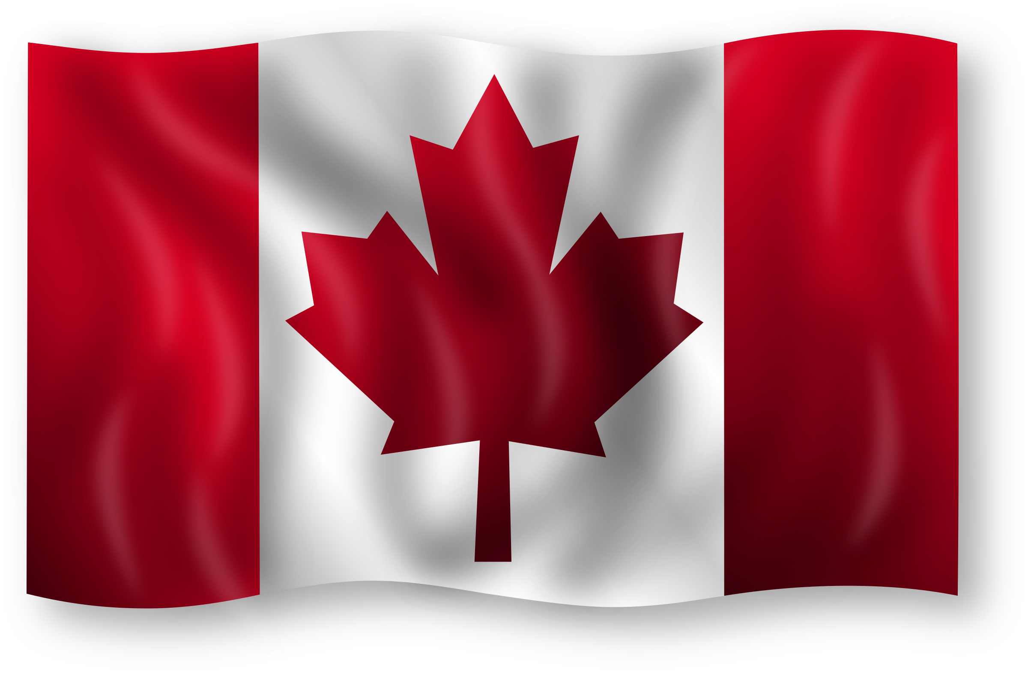

1.2M
Total Property Crime
Police-reported crime for selected offences, by census metropolitan area, 2017
 | Sexual Assult Rate | Robbery Rate
Brantford | 50% | 50%
Edmonton | 41% | 59%
Guelph | 74% | 26%
Halifax | 63% | 38%
Hamilton | 48% | 52%
Peterborough | 70% | 30%
Saskatoon | 45% | 55%
St. John's | 44% | 56%
Thunder Bay | 42% | 58%
Victoria | 63% | 37%
Winnipeg | 30% | 70%
Police-reported crime rate, by province and territory, 2016
 | Sum of Violent crime | Sum of Property crime
Alberta | 52,886 | 221,390
British Columbia | 54,137 | 237,649
Manitoba | 25,546 | 67,136
New Brunswick | 8,904 | 20,404
Newfoundland and Labrador | 7,037 | 17,894
Northwest Terrotories | 3,485 | 9,188
Nova Scotia | 10,952 | 26,996
Nunavut | 3,023 | 5,626
Ontario | 110,439 | 319,775
Prince Edward Island | 1,168 | 4,336
Quebec | 79,132 | 154,389
Saskatchewan | 23,330 | 75,405
Yukon | 1,555 | 3,459
Police-reported crime for selected for offences, Canada, 2015 and 2016
 | Sum of 2015 | Sum of 2016
property crime | 1153700 | 1163647
Total Violent crime | 382115 | 381594
Other criminal code offences | 332018 | 350305
Traffic violations | 125882 | 123930
drug offences | 99827 | 95417

Total Violent Crime
381.6K

Police-reported Crime Severity Indexes, by province and territory, 2016
 | Sum of Violent Crime Severity Index | Sum of Non-Violent Crime Severity Index
Nunavut | 407.7 | 241.6
Northwest Territories | 332.1 | 276.4
Manitoba | 152.7 | 100.3
Alberta | 89.9 | 106.9
Canada | 75.3 | 69.3
British Columbia | 74.9 | 100.3
Newfoundland and Labrador | 72.6 | 68
Nova Scotia | 68.3 | 58.5
Ontario | 63.6 | 48.6
New Brunswick | 63.2 | 61
Police-reported crime total, by province and territory, 2016
 | Total
Ontario | 504,555
Alberta | 342,771
Saskatchewan | 135,150
Nova Scotia | 46,325
Newfoundland and Labrador | 31,407
Nunavut | 12,761
Prince Edward Island | 6,425
Police-reported Crime Severity Indexes, Canada, 2006 to 2016
 | Total
2006 | 100.0
2007 | 95.3
2008 | 90.6
2009 | 87.8
2010 | 82.9
2011 | 77.6
2012 | 75.4
2013 | 68.8
2014 | 66.7
2015 | 70.1
2016 | 71.0
Total Traffic Violations
123.9K

Total Drug Offences
95.4K

Summary
Police-Reported Crime Statistics in Canada, 2016
Overview
This dashboard presents police-reported crime statistics across Canada for 2016, with a focus on total crimes, crime severity, and specific offence types. It highlights key metrics like 1.2 million property crimes, 381,600 violent crimes, and 95,400 drug offences.
Introduction
The dashboard visualizes crime trends across Canada, with data segmented by crime type, region, and year. It serves as a valuable tool for understanding the distribution and severity of crimes across provinces and metropolitan areas.
Analysis
Canada reported a total of 1.9 million crimes in 2016, with Ontario accounting for the highest share (504,555 cases). Violent crime severity is significantly higher in regions like Nunavut and Northwest Territories, while provinces like Quebec and New Brunswick have lower crime rates. Additionally, traffic violations totaled 123,900, while drug offences contributed 95,400 cases.
Conclusion
The data shows property crimes as the most significant category, comprising 63% of all reported crimes, while violent crimes and traffic violations collectively represent around 27%. Policymakers should prioritize resources in regions like Ontario and territories with higher crime severity to effectively address and reduce overall crime rates.

Sheet7
Row Labels | Sum of Violent crime | Sum of Property crime
Alberta | 52,886 | 221,390
British Columbia | 54,137 | 237,649
Manitoba | 25,546 | 67,136
Police-reported crime rate, by province and territory, 2016
New Brunswick | 8,904 | 20,404
Newfoundland and Labrador | 7,037 | 17,894
Northwest Terrotories | 3,485 | 9,188
Nova Scotia | 10,952 | 26,996
Nunavut | 3,023 | 5,626
Ontario | 110,439 | 319,775
Prince Edward Island | 1,168 | 4,336
Quebec | 79,132 | 154,389
Saskatchewan | 23,330 | 75,405
Yukon | 1,555 | 3,459
Grand Total | 381,594 | 1,163,647

Sheet10
Police-reported crime rate, Canada, 2006 to 2016
Row Labels | Sum of Violent crime | Sum of Property crime
2006 | 451652 | 1,566,315
2007 | 445252 | 1,488,103
2008 | 443608 | 1,415,572
2009 | 444533 | 1,386,184
2010 | 439220 | 1,305,150
2011 | 424338 | 1,214,312
2012 | 416147 | 1,193,600
2013 | 384385 | 1,106,509
2014 | 370050 | 1,098,399
2015 | 382115 | 1,153,700
2016 | 381594 | 1,163,647
Grand Total | 4582894 | 14,091,491

Sheet8
Police-reported crime total, by province and territory, 2016
Row Labels | Sum of Totall crime
Ontario | 504,555
Alberta | 342,771
Saskatchewan | 135,150
Nova Scotia | 46,325
Newfoundland and Labrador | 31,407
Nunavut | 12,761
Prince Edward Island | 6,425
Grand Total | 1,079,394

 | 1.1M

Sheet12
Row Labels | Sum of 2015 | Sum of 2016
property crime | 1153700 | 1163647 | 1.2M | 1.2M
Total Violent crime | 382115 | 381594 | 382.1K | 381.6K
Other criminal code offences | 332018 | 350305 | 332.0K | 350.3K
Traffic violations | 125882 | 123930 | 125.9K | 123.9K
Police-reported crime for selected for offences, Canada, 2015 and 2016
drug offences | 99827 | 95417 | 99.8K | 95.4K
Grand Total | 2093542 | 2114893

Sheet9
Row Labels | Sum of Violent Crime Severity Index | Sum of Non-Violent Crime Severity Index
Nunavut | 407.7 | 241.6
Northwest Territories | 332.1 | 276.4
Manitoba | 152.7 | 100.3
Alberta | 89.9 | 106.9
Canada | 75.3 | 69.3
British Columbia | 74.9 | 100.3
Newfoundland and Labrador | 72.6 | 68
Nova Scotia | 68.3 | 58.5
Ontario | 63.6 | 48.6
New Brunswick | 63.2 | 61
Grand Total | 1400.3 | 1130.9

Police-reported Crime Severity Indexes, by province and territory, 2016

Sheet11
Police-reported Crime Severity Indexes, Canada, 2006 to 2016
Row Labels | Sum of Total Crime Severity Index
2006 | 100.0
2007 | 95.3
2008 | 90.6
2009 | 87.8
2010 | 82.9
2011 | 77.6
2012 | 75.4
2013 | 68.8
2014 | 66.7
2015 | 70.1
2016 | 71.0
Grand Total | 886.2

 | 886.2

Sheet2
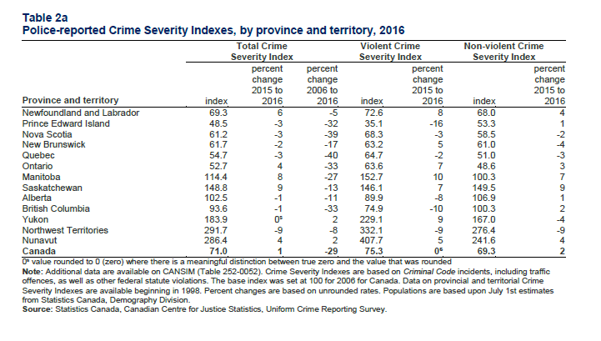
Police-reported crime severity indexes, by province and territory, 2016

Province and Territory | Total Crime Severity Index | % change 2015-2016 | % change 2006-2016 | Violent Crime Severity Index | % change 2015-20162 | Non-Violent Crime Severity Index | % change 2015-20163
Newfoundland and Labrador | 69.3 | 6 | -5 | 72.6 | 8 | 68.0 | 4
Prince Edward Island | 48.5 | -3 | -32 | 35.1 | -16 | 53.3 | 1
Nova Scotia | 61.2 | -3 | -39 | 68.3 | -3 | 58.5 | -2
New Brunswick | 61.7 | -2 | -17 | 63.2 | 5 | 61.0 | -4
Quebec | 54.7 | -3 | -40 | 64.7 | -2 | 51.0 | -3
Ontario | 52.7 | 4 | -33 | 63.6 | 7 | 48.6 | 3
Manitoba | 114.4 | 8 | -27 | 152.7 | 10 | 100.3 | 7
Saskatchewan | 148.8 | 9 | -13 | 146.1 | 7 | 149.5 | 9
Alberta | 102.5 | -1 | -11 | 89.9 | -8 | 106.9 | 1
British Columbia | 93.6 | -1 | -33 | 74.9 | -10 | 100.3 | 2
Yukon | 183 | 0 | 2 | 229.1 | 9 | 167 | -4
Northwest Territories | 291.7 | -9 | -8 | 332.1 | -9 | 276.4 | -9
Nunavut | 286.4 | 4 | 2 | 407.7 | 5 | 241.6 | 4
Canada | 71.0 | 1 | -29 | 75.3 | 0 | 69.3 | 2

Sheet3
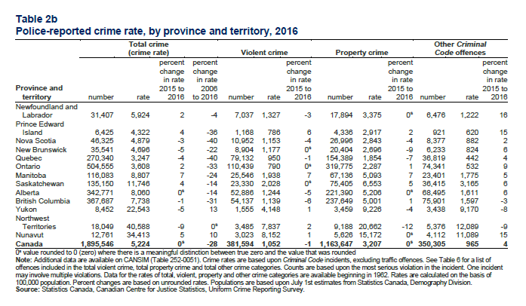
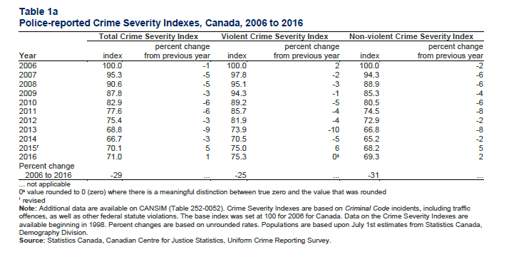
Year | Total Crime Severity Index | % change from previous year | Violent Crime Severity Index | % change from previous year2 | Non-violent Crime Severity Index | % change from previous year3
2006 | 100.0 | -1% | 100.00 | 2% | 100.0 | -2%
2007 | 95.3 | -5% | 97.80 | -2% | 94.3 | -6%
2008 | 90.6 | -5% | 95.10 | -3% | 88.9 | -6%
2009 | 87.8 | -3% | 94.30 | -1% | 85.3 | -4%
2010 | 82.9 | -6% | 89.20 | -5% | 80.5 | -6%
2011 | 77.6 | -6% | 85.70 | -4% | 74.5 | -8%
2012 | 75.4 | -3% | 81.90 | -4% | 72.9 | -2%
2013 | 68.8 | -9% | 73.90 | -10% | 66.8 | -8%
2014 | 66.7 | -3% | 70.50 | -5% | 65.2 | -2%
2015 | 70.1 | 5% | 75.00 | 6% | 68.2 | 5%
2016 | 71.0 | 1% | 75.30 | 0% | 69.3 | 2%

Sheet4
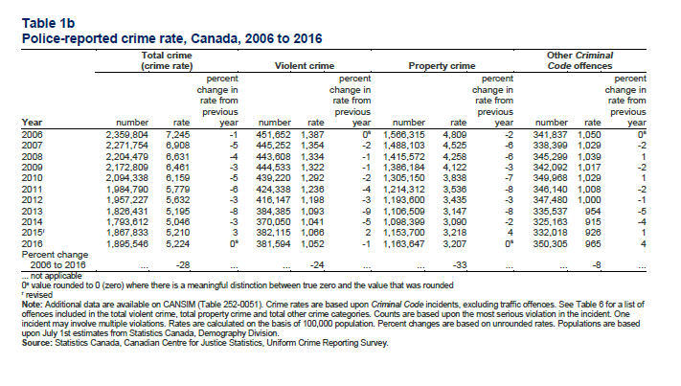
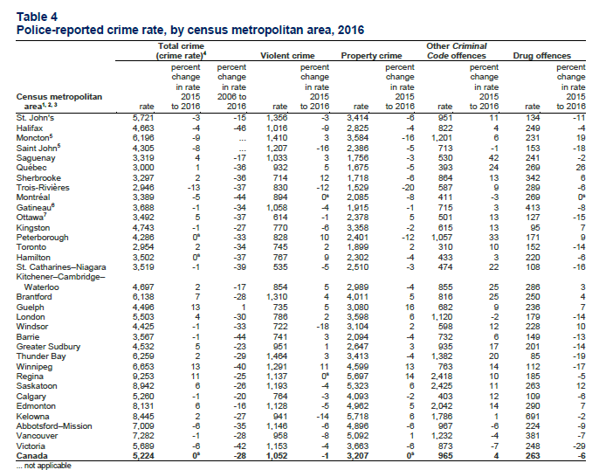
Year | Totall crime | Rate | % change in the rate 2015-2016 | Violent crime | Rate2 | % change in the rate 2015-20163 | Property crime | Rate4 | % change in the rate 2015-20165
2006 | 2,359,804 | 7,245 | -1 | 451,652 | 1,387 | 0 | 1,566,315 | 4,809 | -2
2007 | 2,271,754 | 6,908 | -5 | 445,252 | 1,354 | -2 | 1,488,103 | 4,525 | -6
2008 | 2,204,479 | 6,631 | -4 | 443,608 | 1,334 | -1 | 1,415,572 | 4,258 | -6
2009 | 2172809 | 6,461 | -3 | 444,533 | 1,322 | -1 | 1,386,184 | 4,122 | -3
2010 | 2094338 | 6,159 | -5 | 439,220 | 1,292 | -2 | 1,305,150 | 3,838 | -7
2011 | 1984790 | 5,779 | -6 | 424,338 | 1,236 | -4 | 1,214,312 | 3,536 | -8
2012 | 1957227 | 5,632 | -3 | 416,147 | 1,198 | -3 | 1,193,600 | 3,435 | -3
2013 | 1826431 | 5,195 | -8 | 384,385 | 1,093 | -9 | 1,106,509 | 3,147 | -8
2014 | 1793612 | 5,046 | -3 | 370,050 | 1,041 | -5 | 1,098,399 | 3,090 | -2
2015 | 1,867,833 | 5,210 | 3 | 382,115 | 1,066 | 2 | 1,153,700 | 3,218 | 4
2016 | 1895546 | 5224 | 0 | 381594 | 1052 | -1 | 1,163,647 | 3207 | 0

Sheet15
Percentages of Selected Crime in 2026
Row Labels | Sum of 2016
drug offences | 4.51%
Other criminal code offences | 16.56%
property crime | 55.02%
Total Violent crime | 18.04%
Traffic violations | 5.86%
Grand Total | 100.00%

Sheet5
Type of offences | 2015 | 2016 | Column1
Total Violent crime | 382,115 | 381594 | 381594
property crime | 1153700 | 1163647 | 1163647
Traffic violations | 125882 | 123930 | 123930
drug offences | 99827 | 95417 | 95417
Other criminal code offences | 332018 | 350305 | 350305

Table 8
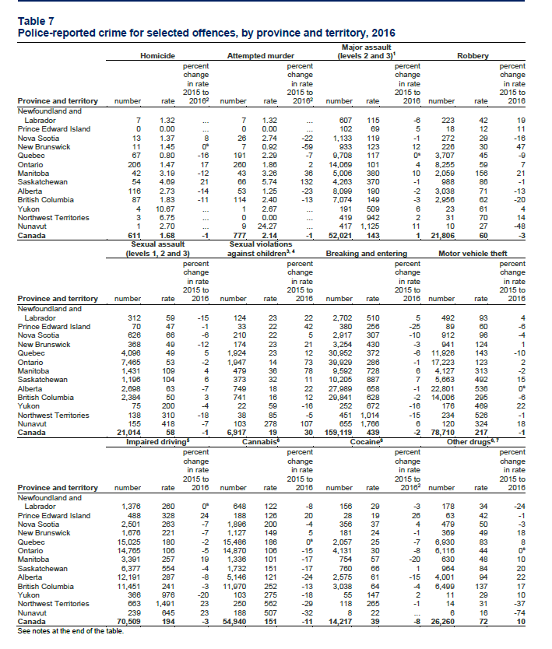
Homicide Attempted murder (levels 2 and 3)1 Robbery
Province and territory |  | number rate |  |  |  |  | percent change in rate 2015 to 20162 number rate |  |  |  |  | percent change in rate 2015 to 20162 number rate |  |  |  |  |  | percent change in rate 2015 to 2016 number rate |  |  |  | percent change in rate 2015 to 2016
Newfoundland and Labrador | 7 |  |  |  | 1.32 ... 7 |  |  |  | 1.32 ... 607 |  |  |  |  |  |  | 115 | -6 |  | 223 | 42 | 19
Prince Edward Island | 0 |  |  |  | 0.00 | ... |  | 0 | 0.00 |  | ... |  |  | 102 |  | 69 | 5 |  | 18 | 12 | 11
Nova Scotia | 13 |  |  |  | 1.37 | 8 |  | 26 | 2.74 |  | -22 |  |  | 1,133 |  | 119 | -1 |  | 272 | 29 | -16
New Brunswick 11 1.45 0s 7 0.92 -59 933 123 12 226 30 47 Quebec 67 0.80 -16 191 2.29 -7 9,708 117 0s 3,707 45 -9
Ontario | 206 |  | 1.47 |  |  | 17 |  | 260 | 1.86 |  | 2 |  | 14,069 |  |  | 101 | 4 |  | 8,255 | 59 | 7
Manitoba | 42 |  | 3.19 |  |  | -12 |  | 43 | 3.26 |  | 36 |  | 5,006 |  |  | 380 | 10 |  | 2,059 | 156 | 21
Saskatchewan | 54 |  | 4.69 |  |  | 21 |  | 66 | 5.74 |  | 132 |  | 4,263 |  |  | 370 | -1 |  | 988 | 86 | -1
Alberta | 116 |  | 2.73 |  |  | -14 |  | 53 | 1.25 |  | -23 |  | 8,099 |  |  | 190 | -2 |  | 3,038 | 71 | -13
British Columbia | 87 |  | 1.83 |  |  | -11 |  | 114 | 2.40 |  | -13 |  | 7,074 |  |  | 149 | -3 |  | 2,956 | 62 | -20
Yukon | 4 |  | 10.67 |  |  | ... |  | 1 | 2.67 |  | ... |  | 191 |  |  | 509 | 6 |  | 23 | 61 | 4
Northwest Territories | 3 |  | 6.75 |  |  | ... |  | 0 | 0.00 |  | ... |  | 419 |  |  | 942 | 2 |  | 31 | 70 | 14
Nunavut | 1 |  | 2.70 |  |  | ... |  | 9 | 24.27 |  | ... |  | 417 |  |  | 1,125 | 11 |  | 10 | 27 | -48
Canada | 611 |  | 1.68 |  |  | -1 |  | 777 | 2.14 |  | -1 |  | 52,021 |  |  | 143 | 1 |  | 21,806 | 60 | -3
Sexual assault Sexual violations (levels 1, 2 and 3) against children3, 4 Breaking and entering Motor vehicle theft
 |  |  |  |  |  | percent |  |  |  |  | percent |  |  |  |  |  | percent |  |  |  | percent
 |  |  |  |  |  | change in rate |  |  |  |  | change in rate |  |  |  |  |  | change in rate |  |  |  | change in rate
 |  |  |  |  |  | 2015 to |  |  |  |  | 2015 to |  |  |  |  |  | 2015 to |  |  |  | 2015 to
Province and territory | number |  | rate |  |  | 2016 |  | number | rate |  | 2016 |  | number |  |  | rate | 2016 |  | number | rate | 2016
Newfoundland and Labrador | 312 |  | 59 |  |  | -15 |  | 124 | 23 |  | 22 |  | 2,702 |  |  | 510 | 5 |  | 492 | 93 | 4
Prince Edward Island | 70 |  | 47 |  |  | -1 |  | 33 | 22 |  | 42 |  | 380 |  |  | 256 | -25 |  | 89 | 60 | -6
Nova Scotia | 626 |  | 66 |  |  | -6 |  | 210 | 22 |  | 5 |  | 2,917 |  |  | 307 | -10 |  | 912 | 96 | -4
New Brunswick | 368 |  | 49 |  |  | -12 |  | 174 | 23 |  | 21 |  | 3,254 |  |  | 430 | -3 |  | 941 | 124 | 1
Quebec | 4,096 |  | 49 |  |  | 5 |  | 1,924 | 23 |  | 12 |  | 30,952 |  |  | 372 | -6 |  | 11,926 | 143 | -10
Ontario | 7,465 |  | 53 |  |  | -2 |  | 1,947 | 14 |  | 73 |  | 39,929 |  |  | 286 | -1 |  | 17,223 | 123 | 2
Manitoba | 1,431 |  | 109 |  |  | 4 |  | 479 | 36 |  | 78 |  | 9,592 |  |  | 728 | 6 |  | 4,127 | 313 | -2
Saskatchewan | 1,196 |  | 104 |  |  | 6 |  | 373 | 32 |  | 11 |  | 10,205 |  |  | 887 | 7 |  | 5,663 | 492 | 15
0s
Alberta | 2,698 |  |  |  | 63 | -7 |  | 749 |  | 18 | 22 |  | 27,989 |  |  | 658 | -1 |  | 22,801 | 536
British Columbia | 2,384 |  |  | 50 |  |  | 3 | 741 | 16 |  | 12 |  | 29,841 |  |  | 628 | -2 |  | 14,006 | 295 |  |  | -6
Yukon | 75 |  |  | 200 |  |  | -4 | 22 | 59 |  | -16 |  | 252 |  |  | 672 | -16 |  | 176 | 469 |  |  | 22
Northwest Territories | 138 |  |  | 310 |  |  | -18 | 38 | 85 |  | -5 |  | 451 |  |  | 1,014 | -15 |  | 234 | 526 |  |  | -1
Nunavut | 155 |  |  | 418 |  |  | -7 | 103 | 278 |  | 107 |  | 655 |  |  | 1,766 | 6 |  | 120 | 324 |  |  | 18
Canada | 21,014 |  |  | 58 |  |  | -1 | 6,917 | 19 |  | 30 |  | 159,119 |  |  | 439 | -2 |  | 78,710 | 217 |  |  | -1
 | Impair |  |  | ed driving |  |  | 5 | Can | nabis6 |  |  |  | C |  |  | ocaine6 |  |  | Othe | r drugs6, 7
Province and territory |  | number rate |  |  |  |  | percent change in rate 2015 to 2016 number rate |  |  |  |  | percent change in rate 2015 to 2016 number rate |  |  |  |  |  | percent change in rate 2015 to 20162 number rate |  |  |  | percent change in rate 2015 to 2016
Newfoundland and
Labrador | 1,376 |  |  |  | 260 | 0s |  | 648 |  | 122 | -8 |  |  |  | 156 | 29 | -3 |  | 178 | 34 | -24
Prince Edward Island | 488 |  |  |  | 328 | 24 |  | 188 |  | 126 | 20 |  |  |  | 28 | 19 | 26 |  | 63 | 42 | -1
Nova Scotia | 2,501 |  |  |  | 263 | -7 |  | 1,896 |  | 200 | -4 |  |  |  | 356 | 37 | 4 |  | 479 | 50 | -3
New Brunswick | 1,676 |  |  |  | 221 | -7 |  | 1,127 |  | 149 | 5 |  |  |  | 181 | 24 | -1 |  | 369 | 49 | 18
Quebec 15,025 180 -2 15,486 186 0s 2,057 25 -7 6,930 83 8 0s
Ontario | 14,765 |  |  |  | 106 | -5 |  | 14,870 |  | 106 | -15 |  |  | 4,131 |  | 30 | -8 |  | 6,116 | 44
Manitoba | 3,391 |  | 257 |  |  | 19 |  | 1,336 |  | 101 | -17 |  | 754 |  |  | 57 | -20 |  | 630 | 48 | 10
Saskatchewan | 6,377 |  | 554 |  |  | -4 |  | 1,732 |  | 151 | -17 |  | 760 |  |  | 66 | 1 |  | 964 | 84 | 20
Alberta | 12,191 |  | 287 |  |  | -8 |  | 5,146 |  | 121 | -24 |  | 2,575 |  |  | 61 | -15 |  | 4,001 | 94 | 22
British Columbia | 11,451 |  | 241 |  |  | -3 |  | 11,970 |  | 252 | -13 |  | 3,038 |  |  | 64 | -4 |  | 6,499 | 137 | 17
Yukon | 366 |  | 976 |  |  | -20 |  | 103 |  | 275 | -18 |  | 55 |  |  | 147 | 2 |  | 11 | 29 | 10
Northwest Territories | 663 |  | 1,491 |  |  | 23 |  | 250 |  | 562 | -29 |  | 118 |  |  | 265 | -1 |  | 14 | 31 | -37
Nunavut | 239 |  | 645 |  |  | 23 |  | 188 |  | 507 | -32 |  | 8 |  |  | 22 | ... |  | 6 | 16 | -74
Canada | 70,509 |  | 194 |  |  | -3 |  | 54,940 |  | 151 | -11 |  | 14,217 |  |  | 39 | -8 |  | 26,260 | 72 | 10
See notes at the end of the table.
Table 7 continued Police-reported crime for selected offences, by province and territory, 2016 Total fraud8 Fraud Identity fraud Identity theft

Sheet6
Police reported crime for selected offences, by province and territiry, 2016
Row Labels | Sum of Total fraud
Ontario | 45761
Alberta | 20902
British Columbia | 20517
Quebec | 19935
Saskatchewan | 7085
Manitoba | 3898
Nova Scotia | 2967
New Brunswick | 1968
Newfoundland and Labrador | 1489
Grand Total | 124522

Table 9
 | Police reported crime for selected offences, by province and territiry, 2016
Province and territory | Total fraud | rate | % change in rate 2015-2016 | Fraud | rate | % change in rate 2015-2016 | Identity fraud | rate | % change in rate 2015-2016 | Identity theft | rate | % change in rate 2015-2016
Newfoundland and Labrador | 1,489 | 281 | 23 | 1,428 | 269 | 25 | 44 | 8 | -2 | 17 | 3 | -32
Prince Edward Island | 613 | 412 | 66 | 581 | 391 | 67 | 24 | 16 | 39 | 8 | 5 | 0
Nova Scotia | 2,967 | 312 | 8 | 2,817 | 297 | 9 | 111 | 12 | -21 | 39 | 4 | 104
New Brunswick | 1,968 | 260 | -12 | 1,783 | 236 | -15 | 149 | 20 | 43 | 36 | 5 | 38
Quebec | 19,935 | 239 | 13 | 15,071 | 181 | 14 | 3,483 | 42 | 7 | 1,381 | 17 | 21
Ontario | 45,761 | 327 | 15 | 40,898 | 292 | 14 | 4,350 | 31 | 20 | 513 | 4 | 9
Manitoba | 3,898 | 296 | 15 | 3,543 | 269 | 17 | 279 | 21 | 16 | 76 | 6 | -27
Saskatchewan | 7,085 | 616 | 37 | 6,490 | 564 | 39 | 529 | 46 | 9 | 66 | 6 | 67
Alberta | 20,902 | 491 | 12 | 18,211 | 428 | 11 | 2,136 | 50 | 28 | 555 | 13 | 22
British Columbia | 20,517 | 432 | 10 | 17,302 | 364 | 9 | 2,804 | 59 | 14 | 411 | 9 | 42
Yukon | 182 | 485 | 31 | 177 | 472 | 31 | 4 | 11 | 0 | 1 | 3 | 0
Northwest Territories | 139 | 313 | -12 | 134 | 301 | -13 | 4 | 9 | 0 | 1 | 2 | 0
Nunavut | 80 | 216 | 61 | 78 | 210 | 60 | 1 | 3 | 0 | 1 | 3 | 0
Canada | 125,536 | 346 | 14 | 108,513 | 299 | 14 | 13,918 | 38 | 16 | 3,105 | 9 | 21

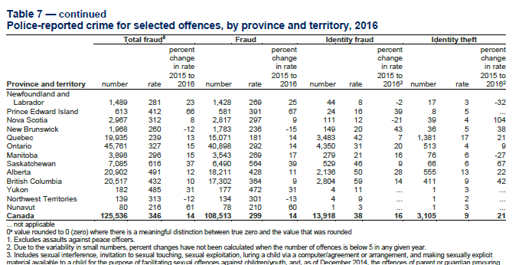

 |  |  |  |  |  |  |  |  |  | Total Fraud related Offences |  |  | 125,536

Sheet14
Police-reported crime for selected offences, by census metropolitan area, 2017
Row Labels | Sum of Sexual Assault rate | Sum of Robbery rate |  | Sexual Assult Rate | Robbery Rate | Province
Brantford | 68 | 68 | 136 | 50% | 50% | Brantford
Edmonton | 72 | 103 | 175 | 41% | 59% | Edmonton
Guelph | 64 | 22 | 86 | 74% | 26% | Guelph
Halifax | 75 | 45 | 120 | 63% | 38% | Halifax
Hamilton | 64 | 70 | 134 | 48% | 52% | Hamilton
Peterborough | 97 | 41 | 138 | 70% | 30% | Peterborough
Saskatoon | 95 | 116 | 211 | 45% | 55% | Saskatoon
St. John's | 69 | 87 | 156 | 44% | 56% | St. John's
Thunder Bay | 85 | 118 | 203 | 42% | 58% | Thunder Bay
Victoria | 64 | 37 | 101 | 63% | 37% | Victoria
Winnipeg | 98 | 229 | 327 | 30% | 70% | Winnipeg
Grand Total | 851 | 936

Chart Title
Police-reported crime for selected offences, by census metropolitan area, 2017

Sheet17
Province | Sexual Assult Rate | Robbery Rate
Brantford | 50% | 50%
Edmonton | 41% | 59%
Guelph | 74% | 26%
Police-reported crime for selected offences, by census metropolitan area, 2017
Halifax | 63% | 38%
Hamilton | 48% | 52%
Peterborough | 70% | 30%
Saskatoon | 45% | 55%
St. John's | 44% | 56%
Thunder Bay | 42% | 58%
Victoria | 63% | 37%
Winnipeg | 30% | 70%

Table 10
Police-reported crime for selected offences, by census metropolitan area, 2017

Census metropolitan area | Homicide rate | Sexual Assault rate | Robbery rate | Breaking and entering rate | Motor vehicle theft rate
St. John's | 1.93 | 69 | 87 | 602 | 118
Halifax | 2.82 | 75 | 45 | 239 | 90
Moncton | 0.64 | 43 | 64 | 561 | 147
Saint John | 2.35 | 41 | 48 | 231 | 58
Saguenay | 1.20 | 53 | 16 | 338 | 117
Québec | 0.12 | 47 | 19 | 319 | 71
Sherbrooke | 1.00 | 58 | 19 | 286 | 54
Trois-Rivières | 0.00 | 54 | 12 | 336 | 85
Montréal | 1.02 | 46 | 74 | 386 | 168
Gatineau5 | 0.91 | 48 | 32 | 320 | 71
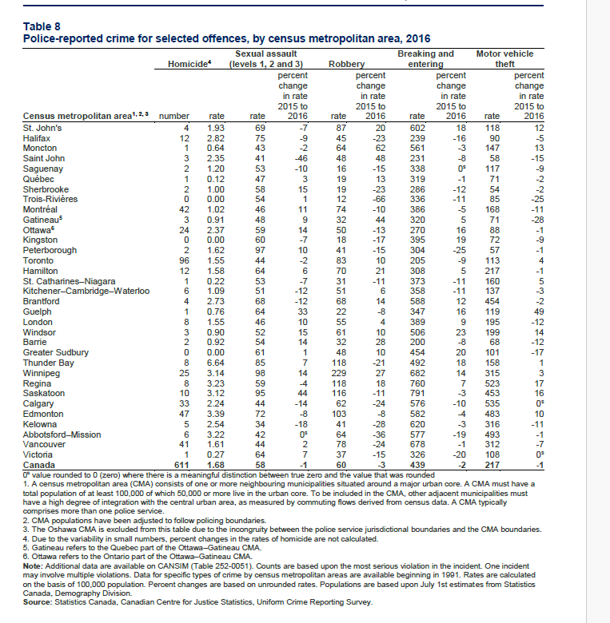
Ottawa6 | 2.37 | 59 | 50 | 270 | 88
Kingston | 0.00 | 60 | 18 | 395 | 72
Peterborough | 1.62 | 97 | 41 | 304 | 57
Toronto | 1.55 | 44 | 83 | 205 | 113
Hamilton | 1.58 | 64 | 70 | 308 | 217
St. Catharines Niagara | 0.22 | 53 | 31 | 373 | 160
Kitchener Cambridge Waterloo | 1.09 | 51 | 51 | 358 | 137
Brantford | 2.73 | 68 | 68 | 588 | 454
Guelph | 0.76 | 64 | 22 | 347 | 119
London | 1.55 | 46 | 55 | 389 | 195
Windsor | 0.90 | 52 | 61 | 506 | 199
Barrie | 0.92 | 54 | 32 | 200 | 68
Greater Sudbury | 0.00 | 61 | 48 | 454 | 101
Thunder Bay | 6.64 | 85 | 118 | 492 | 158
Winnipeg | 3.14 | 98 | 229 | 682 | 315
Regina | 3.23 | 59 | 118 | 760 | 523
Saskatoon | 3.12 | 95 | 116 | 791 | 453
Calgary | 2.24 | 44 | 62 | 576 | 535
Edmonton | 3.39 | 72 | 103 | 582 | 483
Kelowna | 2.54 | 34 | 41 | 620 | 316
Abbotsford-Mission | 3.22 | 42 | 64 | 577 | 493
Vancouver | 1.61 | 44 | 78 | 678 | 312
Victoria | 0.27 | 64 | 37 | 326 | 108
Canada | 1.68 | 58 | 60 | 439 | 217

Table 12
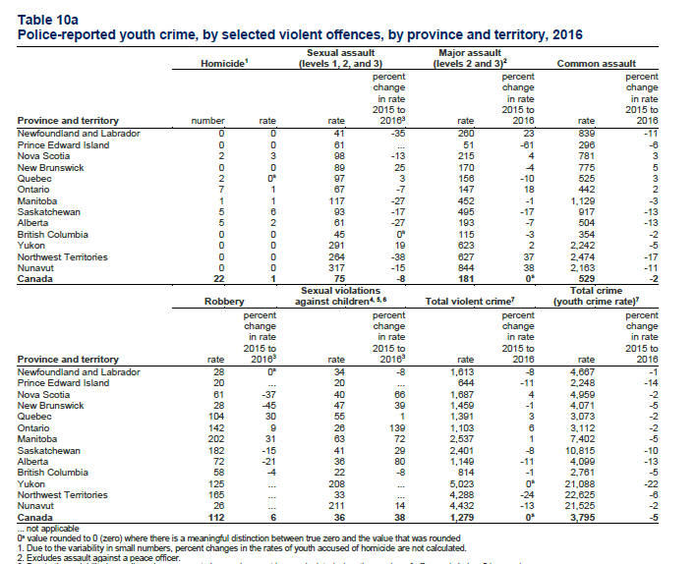
Homicide1 |  |  |  |  |  |  | Sexual assault (levels 1, 2, and 3) |  |  | Major assault (levels 2 and 3)2 Common assault
 |  |  |  |  |  |  |  |  | percent change |  |  | percent change |  | percent change
 |  |  |  |  |  |  |  |  | in rate |  |  | in rate |  | in rate
Province and territory |  | number |  |  | rate |  |  | rate | 2015 to 20163 |  | rate | 2015 to 2016 | rate | 2015 to 2016
Newfoundland and Labrador |  | 0 |  |  | 0 |  |  | 41 | -35 |  | 260 | 23 | 839 | -11
Prince Edward Island |  | 0 |  |  | 0 |  |  | 61 | ... |  | 51 | -61 | 296 | -6
Nova Scotia |  | 2 |  |  | 3 |  |  | 98 | -13 |  | 215 | 4 | 781 | 3
New Brunswick |  | 0 |  |  | 0 |  |  | 89 | 25 |  | 170 | -4 | 775 | 5
Quebec 2 0s 97 3 156 -10 525 3
Ontario | 7 |  |  |  |  | 1 |  | 67 | -7 |  | 147 | 18 | 442 | 2
Manitoba | 1 |  |  |  |  | 1 |  | 117 | -27 |  | 452 | -1 | 1,129 | -3
Saskatchewan | 5 |  |  |  |  | 6 |  | 93 | -17 |  | 495 | -17 | 917 | -13
Alberta | 5 |  |  |  |  | 2 |  | 61 | -27 |  | 193 | -7 | 504 | -13
British Columbia 0 0 45 0s 115 -3 354 -2
Yukon |  | 0 |  | 0 |  |  |  | 291 | 19 |  | 623 | 2 | 2,242 | -5
Northwest Territories |  | 0 |  | 0 |  |  |  | 264 | -38 |  | 627 | 37 | 2,474 | -17
Nunavut |  | 0 |  | 0 |  |  |  | 317 | -15 |  | 844 | 38 | 2,163 | -11
Canada |  | 22 |  | 1 |  |  |  | 75 | -8 |  | 181 0s 529 -2
Sexual violations Total crime Robbery against children4, 5, 6 Total violent crime7 (youth crime rate)7
 |  |  |  | percent |  |  |  |  | percent |  |  | percent |  | percent
 |  |  |  | change |  |  |  |  | change |  |  | change |  | change
Province and territory |  | rate |  | in rate 2015 to 20163 |  |  |  | rate | in rate 2015 to 20163 |  | rate | in rate 2015 to 2016 | rate | in rate 2015 to 2016
Newfoundland and Labrador 28 0s 34 -8 1,613 -8 4,667 -1
Prince Edward Island |  |  | 20 |  | ... |  |  | 20 | ... |  | 644 | -11 | 2,248 | -14
Nova Scotia |  |  | 61 |  | -37 |  |  | 40 | 66 |  | 1,687 | 4 | 4,959 | -2
New Brunswick |  |  | 28 |  | -45 |  |  | 47 | 39 |  | 1,459 | -1 | 4,071 | -5
Quebec |  |  | 104 |  | 30 |  |  | 55 | 1 |  | 1,391 | 3 | 3,073 | -2
Ontario |  |  | 142 |  | 9 |  |  | 26 | 139 |  | 1,103 | 6 | 3,112 | -2
Manitoba |  |  | 202 |  | 31 |  |  | 63 | 72 |  | 2,537 | 1 | 7,402 | -5
Saskatchewan |  |  | 182 |  | -15 |  |  | 41 | 29 |  | 2,401 | -8 | 10,815 | -10
Alberta |  |  | 72 |  | -21 |  |  | 36 | 80 |  | 1,149 | -11 | 4,099 | -13
British Columbia |  |  | 58 |  | -4 |  |  | 22 | -8 |  | 814 | -1 | 2,761 | -5
Yukon 125 ... 208 ... 5,023 0s 21,088 -22
Northwest Territories |  |  | 165 ... 33 |  |  |  |  |  | ... |  | 4,288 | -24 | 22,625 | -6
Nunavut |  |  | 26 ... 211 |  |  |  |  |  | 14 |  | 4,432 | -13 | 21,525 | -2
Canada |  |  | 112 |  |  | 6 |  | 36 | 38 |  | 1,279 0s 3,795 -5
... not applicable 0s value rounded to 0 (zero) where there is a meaningful distinction between true zero and the value that was rounded 1. Due to the variability in small numbers, percent changes in the rates of youth accused of homicide are not calculated. 2. Excludes assault against a peace officer. 3. Due to the variability in small numbers, percent changes have not been calculated when the number of offences is below 5 in any given year. 4. Excludes sexual assaults against children and youth, which are reported as level 1, 2 or 3 sexual assault. 5. Includes sexual interference, invitation to sexual touching, sexual exploitation, luring a child via a computer/agreement or arrangement, and making sexually explicit material available to a child for the purpose of facilitating sexual offences against children/youth, and, as of December 2014, the offences of parent or guardian procuring sexual activity (Criminal Code, s. 170), and householder permitting prohibited sexual activity (Criminal Code, s. 171) are also included. Incidents of child pornography are not included in the category of sexual violations against children. 6. Coming into effect on July 17th, 2015, Bill C-26 increased the maximum penalties for certain sexual offences against children, including failure to comply with orders and probation conditions relating to sexual offences against children. In the Uniform Crime Reporting Survey, the most serious violation is partially determined by the maximum penalty. As such, changes in maximum penalty may affect the most serious violation in an incident reported by police. Police services are able to utilize these amendments as their Records Management Systems are updated to allow them. 7. Crime rates are based upon Criminal Code incidents, excluding traffic offences. See Table 6 for a list of offences included in the total violent crime, total property crime and total other crime categories. Note: Additional data are available on CANSIM (Table 252-005
Table 10b Police-reported youth crime, by selected non-violent offences, by province and territory, 2016 Breaking and entering Theft of $5000 or under Mischief1

Table 13
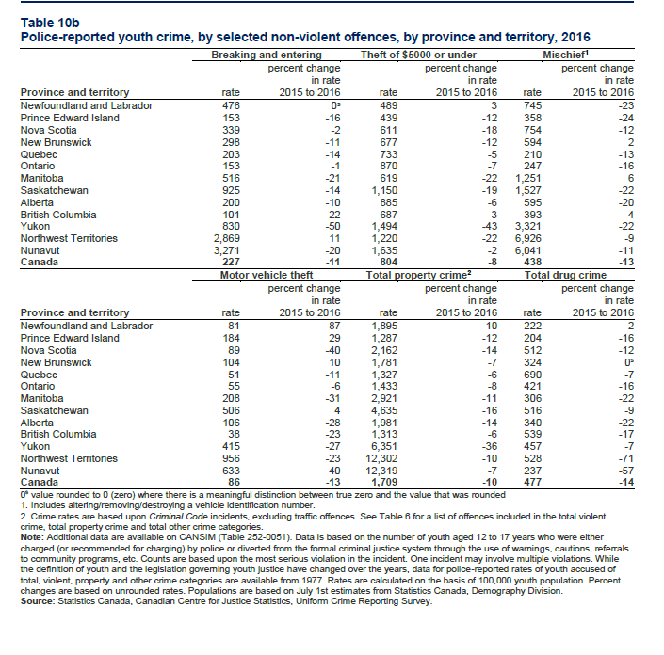
 |  |  | percent change in rate |  |  |  | percent change in rate |  |  |  |  | percent change in rate
Province and territory | rate |  | 2015 to 2016 |  |  | rate | 2015 to 2016 |  |  |  | rate | 2015 to 2016
Newfoundland and Labrador 476 0s 489 3 745 -23
Prince Edward Island | 153 |  |  | -16 | 439 |  |  |  | -12 | 358 |  |  | -24
Nova Scotia | 339 |  |  | -2 | 611 |  |  |  | -18 | 754 |  |  | -12
New Brunswick | 298 |  |  | -11 | 677 |  |  |  | -12 | 594 |  |  | 2
Quebec | 203 |  |  | -14 | 733 |  |  |  | -5 | 210 |  |  | -13
Ontario | 153 |  |  | -1 | 870 |  |  |  | -7 | 247 |  |  | -16
Manitoba | 516 |  |  | -21 | 619 |  |  |  | -22 | 1,251 |  |  | 6
Saskatchewan | 925 |  |  | -14 | 1,150 |  |  |  | -19 | 1,527 |  |  | -22
Alberta | 200 |  |  | -10 | 885 |  |  |  | -6 | 595 |  |  | -20
British Columbia | 101 |  |  | -22 | 687 |  |  |  | -3 | 393 |  |  | -4
Yukon | 830 |  |  | -50 | 1,494 |  |  |  | -43 | 3,321 |  |  | -22
Northwest Territories | 2,869 |  |  | 11 | 1,220 |  |  |  | -22 | 6,926 |  |  | -9
Nunavut | 3,271 |  |  | -20 | 1,635 |  |  |  | -2 | 6,041 |  |  | -11
Canada | 227 |  |  | -11 | 804 |  |  |  | -8 | 438 |  |  | -13
 | Motor vehicle theft |  |  |  | Total property crime2 |  |  |  |  | Total drug crime
 |  |  | percent change |  |  |  | percent change |  |  |  |  | percent change
Province and territory | rate |  | in rate 2015 to 2016 |  | rate |  | in rate 2015 to 2016 |  |  | rate |  | in rate 2015 to 2016
Newfoundland and Labrador | 81 |  | 87 |  | 1,895 |  | -10 |  |  | 222 |  | -2
Prince Edward Island | 184 |  | 29 |  | 1,287 |  | -12 |  |  | 204 |  | -16
Nova Scotia | 89 |  | -40 |  | 2,162 |  | -14 |  |  | 512 |  | -12
New Brunswick 104 10 1,781 -7 324 0s
Quebec |  | 51 |  | -11 | 1,327 |  |  | -6 |  |  | 690 | -7
Ontario |  | 55 |  | -6 | 1,433 |  |  | -8 |  |  | 421 | -16
Manitoba |  | 208 |  | -31 | 2,921 |  |  | -11 |  |  | 306 | -22
Saskatchewan |  | 506 |  | 4 | 4,635 |  |  | -16 |  |  | 516 | -9
Alberta |  | 106 |  | -28 | 1,981 |  |  | -14 |  |  | 340 | -22
British Columbia |  | 38 |  | -23 | 1,313 |  |  | -6 |  |  | 539 | -17
Yukon |  | 415 |  | -27 | 6,351 |  |  | -36 |  |  | 457 | -7
Northwest Territories |  | 956 |  | -23 | 12,302 |  |  | -10 |  |  | 528 | -71
Nunavut |  | 633 |  | 40 | 12,319 |  |  | -7 |  |  | 237 | -57
Canada |  | 86 |  | -13 | 1,709 |  |  | -10 |  |  | 477 | -14
0s value rounded to 0 (zero) where there is a meaningful distinction between true zero and the value that was rounded 1. Includes altering/removing/destroying a vehicle identification number. 2. Crime rates are based upon Criminal Code incidents, excluding traffic offences. See Table 6 for a list of offences included in the total violent crime, total property crime and total other crime categories. Note: Additional data are available on CANSIM (Table 252-0051). Data is based on the number of youth aged 12 to 17 years who were either charged (or recommended for charging) by police or diverted from the formal criminal justice system through the use of warnings, cautions, referrals to community programs, etc. Counts are based upon the most serious violation in the incident. One incident may involve multiple violations. While the definition of youth and the legislation governing youth justice have changed over the years, data for police-reported rates of youth accused of total, violent, property and other crime categories are available from 1977. Rates are calculated on the basis of 100,000 youth population. Percent changes are based on unrounded rates. Populations are based on July 1st estimates from Statistics Canada, Demography Division. Source: Statistics Canada, Canadian Centre for Justice Statistics, Uniform Crime Reporting Survey.

Table 14
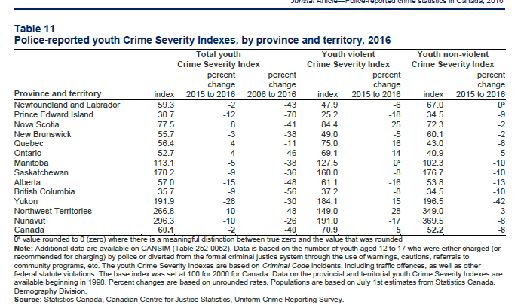
Table 11 Police-reported youth Crime Severity Indexes, by province and territory, 2016
Total youth Crime Severity Index |  |  |  |  |  | Youth violent Crime Severity Index |  |  | Youth non-violent Crime Severity Index
 |  |  | percent change | percent change |  |  |  | percent change |  |  | percent change
Province and territory | index |  | 2015 to 2016 | 2006 to 2016 |  |  | index | 2015 to 2016 |  | index | 2015 to 2016
Newfoundland and Labrador 59.3 -2 -43 47.9 -6 67.0 0s
Prince Edward Island |  | 30.7 | -12 |  | -70 |  | 25.2 | -18 |  | 34.5 | -9
Nova Scotia |  | 77.5 | 8 |  | -41 |  | 84.4 | 25 |  | 72.3 | -2
New Brunswick |  | 55.7 | -3 |  | -38 |  | 49.0 | -5 |  | 60.1 | -2
Quebec |  | 56.4 | 4 |  | -11 |  | 75.0 | 16 |  | 43.0 | -8
Ontario |  | 52.7 | 4 |  | -46 |  | 69.1 | 14 |  | 40.9 | -5
Manitoba 113.1 -5 -38 127.5 0s 102.3 -10
Saskatchewan |  | 170.2 | -9 |  | -36 |  | 160.0 | -8 |  | 176.7 | -10
Alberta |  | 57.0 | -15 |  | -48 |  | 61.1 | -16 |  | 53.8 | -13
British Columbia |  | 35.7 | -9 |  | -56 |  | 37.2 | -8 |  | 34.5 | -10
Yukon |  | 191.9 | -28 |  | -30 |  | 184.1 | 15 |  | 196.5 | -42
Northwest Territories |  | 266.8 | -10 |  | -48 |  | 149.0 | -28 |  | 349.0 | -3
Nunavut |  | 296.3 | -10 |  | -26 |  | 191.0 | -17 |  | 369.5 | -8
Canada |  | 60.1 | -2 |  | -40 |  | 70.9 | 5 |  | 52.2 | -8

